Documentation
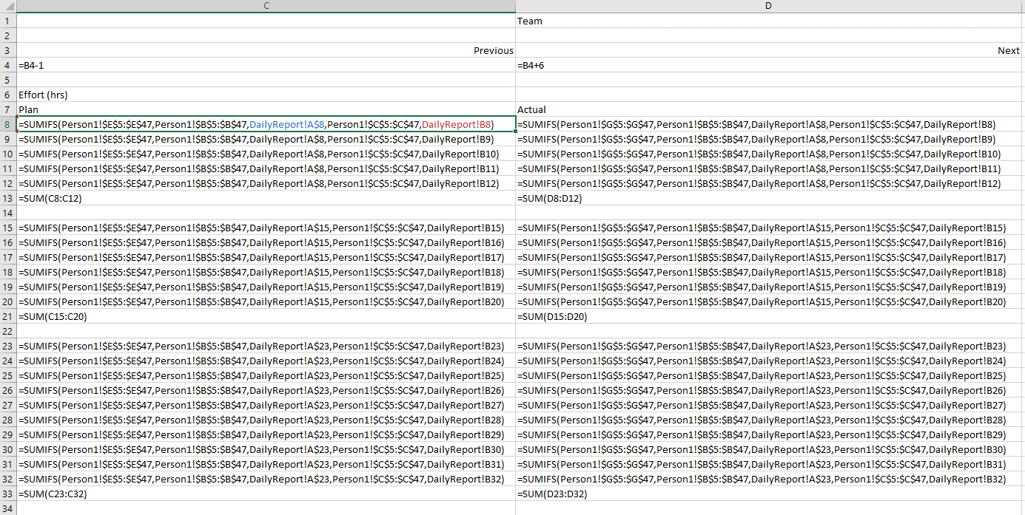
INFO 8440 TrackR Production To-Be Workbook

Created by: | Team H

History Table:
 | Date | Version | Comments
 | Dec-20 | 1 | Created and published
 | 2020-12-11 | 1.1 | Created and published

Sheets
ReadMeFirst | This sheet. Gives an overview of the entire workbook
Components | This sheet gives an overview of list of components available in CDL facility form TrackR manufacturing
As-Is Assembly | This sheet includes calculations of assembly tasks, time and cost required in assembly process
Component Price | Each component's price is included in this sheet
As-Is Picking | This sheet gives an overview of distance and time spent on picking components from different shelves in As-Is process
To-Be Picking | This sheet gives an overview of distance and time spent on picking components from different shelves in To-Be process
Shelving List | This sheet includes information about location of components on each shelve
As-Is Staffing | This sheet includes information on who is doing what on each assembly table in As-Is process
To-Be Staffing | This sheet includes information on who is doing what on each assembly table in To-Be process
As-Is P&L | This sheet include calculations on manufacturing profit /loss faced by CDL before implementing any change or improvement in the CDL layout or labouring
T-P&L Sunny day | This sheet include favourable conditions for CDL in terms of profit-making
T-P&L Rainy day | This sheet include non-favourable conditions for CDL in terms of profit-making
TrackR Income | This sheet include the income come from selling different TrackRs
Component Cost | This sheet include unit price of each component used in assembling TrackR

